Instructions
ABB VFD Schedule Instructions |  |  | 
Released September 12, 2017

VFD Schedule
The VFD Schedule sheet is where you will build your VFD Schedule. There are 4 main sections to the table: 1. Required Inputs, 2. Optional Inputs, 3. Automatic Outputs, 4. Notes. Further in this section, you will find definations and explainations of how this information will affect your VFD configuration. The tool is limited to only 25 VFDs for each schedule. See the FAQ at the end of this page for suggestions on how to go beyond this limitation.
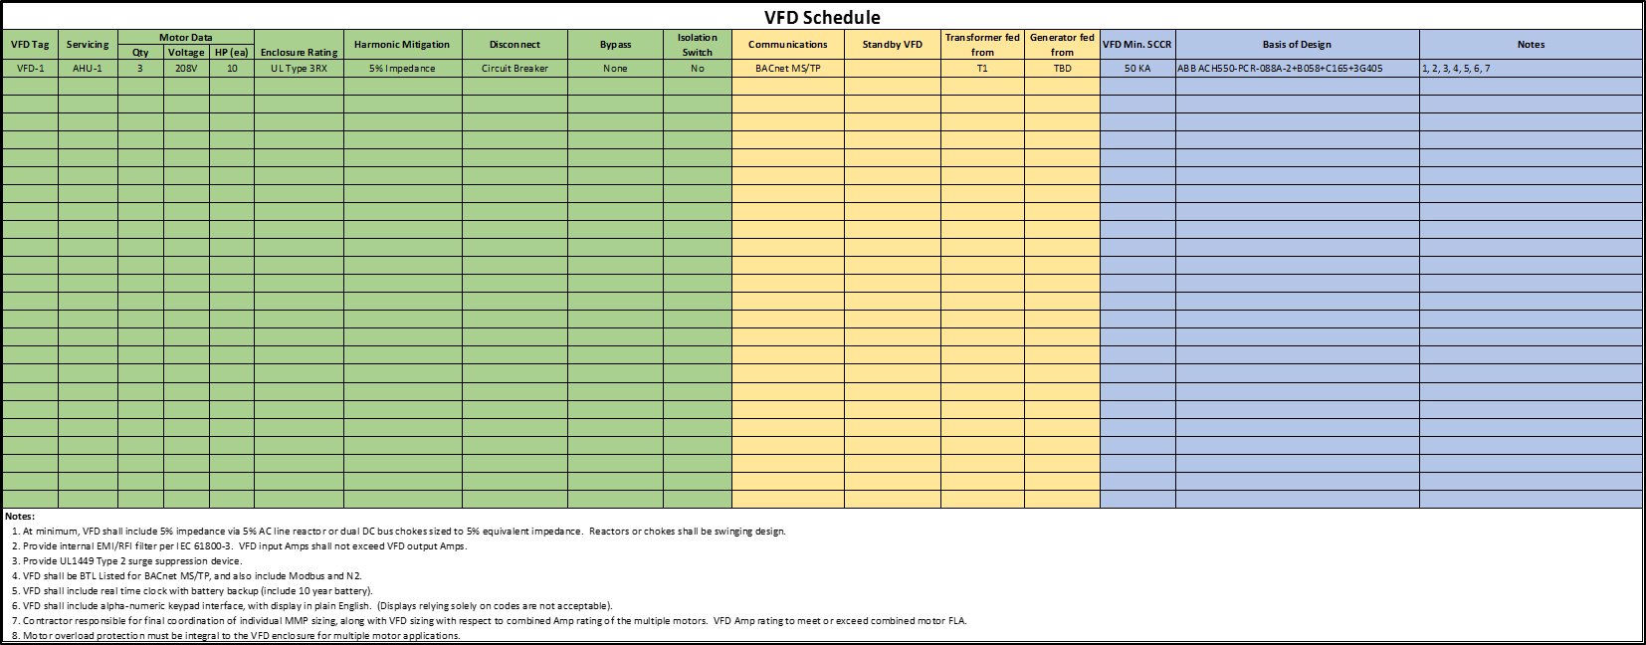
1
3
2
4

Input Types
This list will define the types of inputs which you will find in the table. This tool does have validation built in, so if an incorrect value is used, an error will be thrown.
w Free Text - Free text inputs can be any alphanumeric value you want. There is no limit to length.
w Number - Number fields must be a whole number that is greater than 0.
w Percent - Percent fields are similar to numbers in the sense they must be greater than 0. They end with (%) and are rounded to 1 or 2 decimal places automatically.
w Decimal - Decimals fields are similar to numbers in the sense they must be greater than 0. They have no units and are rounded to 1 or 2 decimal places automatically.
w Dropdown - A dropdown requires you to select a value from a list of values already defined. By selecting the input, you will find a down arrow appear to the right of the cell. Clicking that will show all the options you can select from in the list.
w Yes/No - This are similar to dropdown types, but they are restricted to simply "Yes" or "No" selections.

1. Required Inputs
All the inputs in Green above are required not only to allow the tool to properly function, but these are critical pieces of information when specifying a VFD.
w VFD Tag [Free Text] - The VFD tag is the name of the drive, not the name of the equipment that it is servicing. This information makes it easier for you to review submittal information to ensure the submitted drive meets the electrical requirements.
w Servicing [Free Text] - This field is used to define the name of the equipment the drive will be running. This can be helpful in identifying the application for the drive which will ensure the drive is sized correctly by the drive supplier.
w Qty [Number] - This is the number of motors a single drive will be servicing. Most commonly this will be 1, but in some applications, like Air Handlers, you may use a single drive to run multiple fans. In those cases, the drive must be sized to accomidate the total load of all the fans and the proper overload protection must be included in the drive package.
w Voltage [Dropdown] - This is the supply voltage being used to control the motor. The voltage will be dictated by whatever gear is feeding the VFD and will ensure the drive is sized correctly by the drive supplier.
w Enclosure Raing [Dropdown] - The enclosure rating should be selected based on the installation location of each of the drives The enclosure rating will affect both the size requirements and the overall price of each drive You can reference this chart as a quick reference for the different ratings if you need more information on each design.

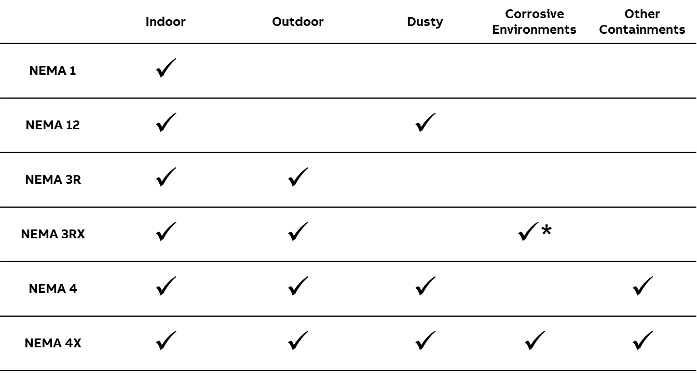

 |  | * Many NEMA 3R Enclosures have venting, so while the enclosure is designed for corrosive areas, the internal components will still be exposed to the same corrosive elements causing premature failure.
w Harmonic Mitigation [Dropdown] - The harmonic mitigation selected will affect the total hardmonic distortion you see in a facility which may prevent your system from being in compliance with IEEE 519. This option will have a very large affect on the overall equipment size and price of each of the drives.
w Disconnect [Dropdown] - The disconnect will give you the ability to turn off power and lock out the equipment for service. It also can provide protection to your electrical equipment. The type of disconnect selected will affect the price of each drive.
w Bypass [Dropdown] - The bypass will allow you to run the motor even if the drive has failed. Bypass is not always required, but when required, the type selected can affect the performance of the system. It will also affect the size and price of the overall drive package.
 | -- FVNR (Vertical) - Full Voltage Non Reversing Starters are your standard across the line starter and allow you to run the motor only at full speed. The Vertical style is a compact version which will typically be tall and narrow allowing for more drives to be installed in the same amount of wall space.
 | -- FVNR (Box Style) - Full Voltage Non Reversing Starters are your standard across the line starter and allow you to run the motor only at full speed. The Box style is your more traditional enclosure style of enclosed control and will include a metal enclosure which will be shorter, but wider then the vertical type.
 | -- RVSS - Reduced Voltage Soft Starters are most commonly used in pumping applications and high horsepower applications. They allow you to ramp the motor up to full speed when starting in bypass, preventing premature failure in the motor or damage to pipes because of water hammer.
 | -- Redundant VFD - Redundant VFDs have 2 separate drives inside of an enclosure. When one drive faults out, it is automatically switched to the 2nd drive allow you to have full control of the motor. These are typically used in critical applications where redundancy is required.
w Isolation Switch [Yes/No] - An isolation switch is only available when the bypass selection is not None. The isolation switch is used to disconnect power from the drive, allowing you to still power the motor with the bypassing device.

2. Optional Inputs
All the inputs in Yellow are optional and hidden by default. To display them, you can click the [+] at the top of the group to show the columns.
w Communications [Dropdown] - This field allows you to specify the communications that will be used to control and monitor the VFD via the building automation system (BAS). Typically the communication protocol used will be the same for all VFDs for the project.
w Standby VFD [Yes/No] - The Standby VFD field is used to designate if any of the other drives are backups to a particular drive. This is common in critical applications and is important to understand when doing a harmonic estimate because not all loads will be running at the same time.
w Transformer fed from [Dropdown] - Use this field to define which transformer the VFD will be downstream from in the electrical system. This does require filling out the Transformer Schedule which we will go over in a later section. This information is critical in order to provide a harmonic estimate for the project.
w Generator fed from [Dropdown] - Use this field to define which generator the VFD will be downstream from in the electrical system. This does require filling out the Generator Schedule which we will go over in a later section. This information is critical in order to provide a harmonic estimate for the project.

3. Automatic Outputs
All the cells in Blue are automatically filled in based on the criteria selected for each line item.
w VFD Min. SCCR - The SCCR rating of the drive assembly will change based on the requirements of the system. It is critical that the SCCR rating of the VFD is coordinated with the upstream switchgear feeding the equipment and that the SCCR listed on the schedule is greater than or equal to the available fault current. The default SCCR values in this VFD Schedule tool are based on the industry standard for that particular drive package.
w Basis of Design - The VFD Schedule will help generate an ABB part number that matches the selection criteria specified in the inputs.
w Notes - A custom list of notes which apply to each line item will be automatically generated and displayed in the Notes Section below the VFD Schedule Table. This column will specify which notes apply to each specific VFD based on the selection criteria.

4. Notes
The section below the VFD schedule will be a customized list of notes based on your selection criteria which will help ensure that the equipment required will be selected and quoted correctly by all of the VFD manufacturers. This section should be reviewed and compared with your VFD specification to ensure there isn't conflicting information. Each note is numbered so they can easily be referenced from the VFD Schedule in the last column.

Transformer Schedule
The Transformer schedule sheet has a basic Transformer Schedule and Generator Schedule for you to fill out and include on your mechanical schedule drawings. This information will help provide the information required to do a harmonic estimate, so these tables should be filled out if you are going to require a harmonic estimate to be completed and submitted on before the project is approved and released for production.

Transformer Schedule for VFD Harmonic Analysi
The transformer information is typically on the Electrical One-line drawings. All of these fields must be filled in in order to ensure the harmonic estimate can be completed.

w Xfmr Tag [Free Text] - The Xfmr tag is identifier of the transformer. If tags are not used, use T1, T2, etc. as an easy way to differentiate the different transformers.
w KVA Rating [Number] - The kVA rating is the electrical capacity of the transformer
w Primary Voltage [Dropdown] - The Primary Voltage is the voltage rating on the input side of the transformer. This number will be higher then the Secondary Voltage
w Secondary Voltage [Dropdown] - The Secondary Voltage is the voltage rating on the output side of the transformer. It will always be the same as any of the VFDs that will be fed by the transformer. In the US, the most common secondary voltages will be 208V and 480V.
w %Z (impedance) [Percent] - This field will define the impedance rating of the transformer, this number will typically be in the 5% to 6% range.
w Max Transformer Load (%) [Percent] - This is the total loading on the transformer when being run at full capacity for extended periods of time. This is different from peak capacity in that peak capacity can include short term overloads which occur occasionally. Full capacity is when all the drives and motors that can be run at the exact same time are running - this is the total capacity that it will normally be using. In most cases this is between 60% and 95%.
w Utility Short Circuit [Free Text] - This field may be the most difficult to get and will need to come from the utility. If this information is not available, leave it blank and a typical value of 400 MVA will be used.

Generator Schedule for VFD Harmonic Analysi
The generator information is typically on the Electrical One-line drawings. Not all systems have backup generators feeding VFDs, so this may not be required. All of these fields must be filled in in order to ensure the harmonic estimate can be completed.

w Generator Tag [Free Text] - The Generator tag is identifier of the generator If tags are not used, use G1, G2, etc. as an easy way to differentiate the different generators
w KW Rating [Number] - The kW rating is the electrical capacity of the generator
w Power Factor [Decimal] - The power factor is the ratio of real power compared to apparent power and will be a characteristic of the generator. The number will typically be around 0.75 to 0.85 for generators.
w Output Voltage [Dropdown] - The Output Voltage is the voltage rating of the generator. It will always be the same as any of the VFDs that will be fed by the generator In the US, the most common secondary voltages will be 208V and 480V.
w Sub-Transient Reactance [Decimal] - This is a calculation typically done by the generator supplier and will be in the range of 0.09 and 0.17.

Custom Notes
Use this sheet to enter up to 10 custom notes which can be appended to the notes section of the VFD schedule. The number for each note will automatically be assigned and will be included in the Notes column for all units. There is no way at this time to specify which units the note applies to, but the FAQ does provide some ideas on how to allow this to happen manually.

FAQ
ABB VFD Schedule FAQ
Released September 12, 2017

Q: I have more then 25 VFDs in my system, how do I add more?
In order to build a schedule with more then 25 VFDs, you will need to build multiple schedules and merge them into a single table. This can be done fairly easily in Excel by copying your first finished table and pasting the results as values. You can then copy the full rows from other schedule and insert the copied sells in the original schedule. This will move everything down. Make sure you confirm that all of the notes on each schedule are the same and are numbered correctly to prevent confusion or errors.

Q: How do I display the hidden inputs?
You can show the option columns for the VFD schedule by clicking the [+] box shown in the image below. In cell P1, you will see a colored cell to draw attention to the box.
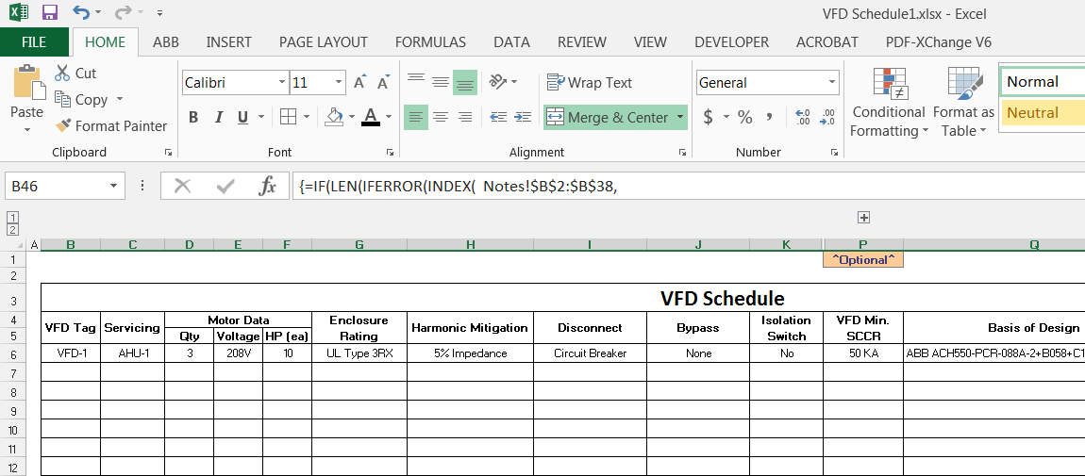

Q: How do I prevent my custom notes from being shown for all line items?
Once you have completed your VFD schedule, you can copy the table and paste as values. This will allow you to manually modify any of the cells you have in your VFD schedule.

Q: How do I import my table into AutoCAD?
If you select all of the cells in Excel that you want to copy, you can simply paste (ctrl+V) the table into AutoCAD, which will result in the table showing up as an image. If you would prefer the table be imported as an AutoCAD table object, you will select and copy the cells you want from Excel. In AutoCAD, on the Edit menu, click Paste Special. A menu will pop up and you will select AutoCAD Entities from the selection box and click the OK button.

Q: Why did a cell turn yellow on the VFD schedule?
Items will turn yellow when a calculated cell no longer has a formula in it. If you did this by mistake, you may be able to reference a similar cell in the VFD schedule by copying and pasting, however, it is best to start over with a new VFD Schedule file to ensure that the tool will continue to work as expected. Typically to prevent this, we would protect the worksheet like all the other sheets in this tab, but locking it prevents you from being able to unhide the optional inputs. If you want to prevent yourself from accidentally deleting a formula, you can always protect the sheet by going to the Review Tab and selecting Protect Sheet. In the menu that pops up, press the OK button without making any changes.

Q: Why did a cell turn pink on the VFD schedule?
Items will turn pink when you have selected a combination that is not valid. This most commonly happens when you copy data from one row to the next and then change the HP rating. Whichever cell is highlighted will be the one that needs to be changed so that a valid selection is picked to prevent specifying a product that is not valid.

Q: What if I need to adjust my “VFD Min. SCCR” to a value higher than the schedule defaults to?
You can manually adjust the SCCR rating for each line item by copying the table and pasting as values into another spreadsheet. However, it should be noted that it may not be able to provide the SCCR rating you list based on limitations of the other requirements you specified for the line item. This may make it impossible or prohibitively expensive for any drive supplier to provide a solution you want, so it is best to coordinate your SCCR requirements with the Electrical Equipment feeding the drives so that the drive is not overspecified.

